Dashboard
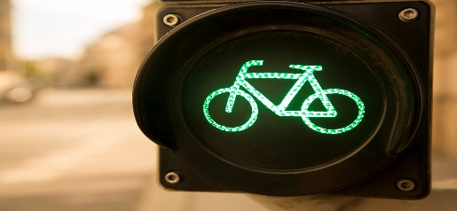 Bike Sale Dashboard | 
Filters:
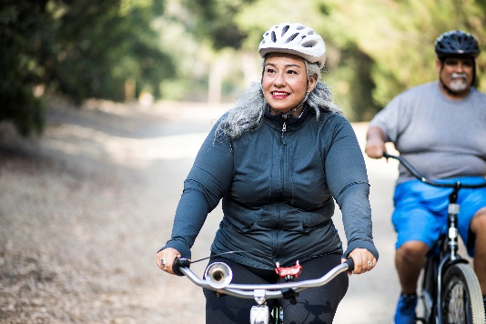
Customer Age Brackets
 | No | Yes
Adolescent | 71 | 39
Middle Age | 318 | 383
OLD | 130 | 59

Avg Income Per Purchase By Gender
 | No | Yes
Female | 13,939 | 16,286
Male | 15,484 | 24,000




Customer Commute Per Purchase
 | No | Yes
0-1 Miles | 166 | 200
1-2 Miles | 92 | 77
2-5 Miles | 67 | 95
5-10 Miles | 116 | 76
More than 10 Miles | 78 | 33

